Dashboard
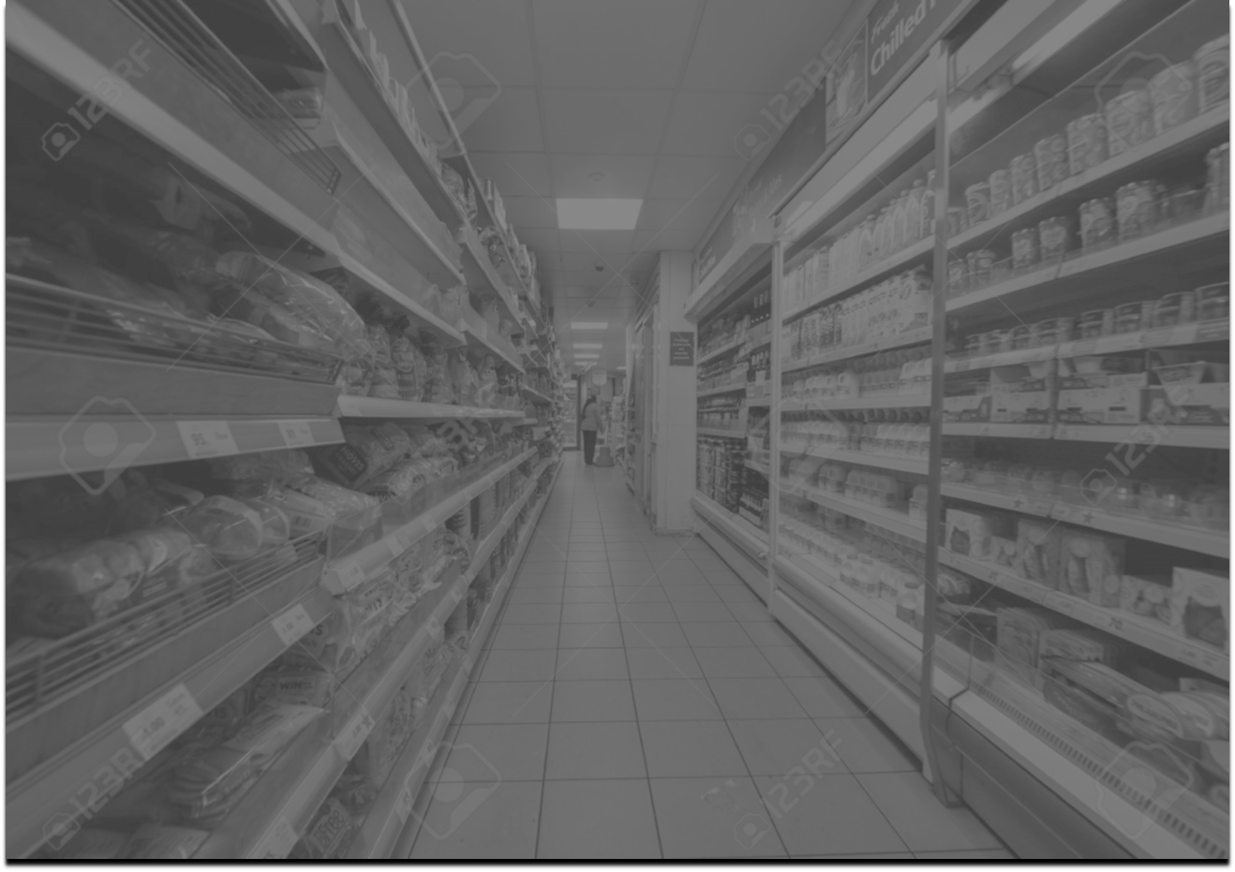

JUMBO Supermarket Dashboard

Profit
Sales

SubCategory
 | Sum of ProfitperOrder | Sum of Sales
Accessories | $41,937 | $167,401
Appliances | $18,138 | $107,538
Art | $6,528 | $27,137
Binders | $30,221 | $203,428
Bookcases | $-3,473 | $114,879
Chairs | $26,602 | $328,173
Copiers | $55,618 | $149,530
Envelopes | $6,964 | $16,477
Fasteners | $950 | $3,024
Furnishings | $13,059 | $91,705
Labels | $5,546 | $12,507
Machines | $3,385 | $189,243
Paper | $34,053 | $78,475
Phones | $44,516 | $330,047
Storage | $21,279 | $223,862
Supplies | $-1,189 | $46,679
Tables | $-17,726 | $206,968
Category
 | Sum of ProfitperOrder | Sum of Sales
Furniture | $18,463 | $741,725
Office Supplies | $122,489 | $719,127
Technology | $145,455 | $836,221
Order Return
 | Total
no | 9203
yes | 790
Shipment Status
 | Total
Shipped Early | 4909
Shipped Late | 2640
Shipped On Time | 2444
SalesPerson
 | Sum of ProfitperOrder | Sum of Sales
Anna Andreadi | $108,418 | $725,514
Cassandra Brandow | $46,749 | $391,750
Chuck Magee | $91,534 | $678,553
Kelly Williams | $39,706 | $501,256

7%

SubCategory Top 3 Products
 | Sum of ProfitperOrder | Sum of Sales
Accessories | $41,937 | $167,401
Copiers | $55,618 | $149,530
Phones | $44,516 | $330,047
SubCategory Bottom 3 Products
 | Sum of Sales | Sum of ProfitperOrder
Envelopes | $16,477 | $6,964
Fasteners | $3,024 | $950
Labels | $12,507 | $5,546
Region-wise
 | Sum of ProfitperOrder | Sum of Sales
Central | $39,706 | $501,256
East | $91,534 | $678,553
South | $46,749 | $391,750
West | $108,418 | $725,514
Shipment Mode
 | Total
First Class | 1538
Same Day | 543
Second Class | 1945
Standard Class | 5967
Year-Wise Profit & Sale
 | Sum of ProfitperOrder | Sum of Sales
2016 | $49,556 | $483,974
2017 | $61,618 | $470,560
2018 | $81,795 | $609,255
2019 | $93,439 | $733,284

SubCategoryCategory
SubCategory
Row Labels | Sum of ProfitperOrder | Sum of Sales
Accessories | $41,937 | $167,401
Appliances | $18,138 | $107,538
Art | $6,528 | $27,137
Binders | $30,221 | $203,428
Bookcases | $-3,473 | $114,879
Chairs | $26,602 | $328,173
Copiers | $55,618 | $149,530
Envelopes | $6,964 | $16,477
Fasteners | $950 | $3,024
Furnishings | $13,059 | $91,705
Labels | $5,546 | $12,507
Machines | $3,385 | $189,243
Paper | $34,053 | $78,475
Phones | $44,516 | $330,047
Storage | $21,279 | $223,862
Category
Supplies | $-1,189 | $46,679
Tables | $-17,726 | $206,968
Grand Total | $286,408 | $2,297,073

Row Labels | Sum of ProfitperOrder | Sum of Sales
Furniture | $18,463 | $741,725
Office Supplies | $122,489 | $719,127
Technology | $145,455 | $836,221
Grand Total | $286,408 | $2,297,073

SubCategoryTopBottom
SubCategory Top 3 Products
Row Labels | Sum of ProfitperOrder | Sum of Sales
Accessories | $41,937 | $167,401
Copiers | $55,618 | $149,530
Phones | $44,516 | $330,047
Grand Total | $142,071 | $646,978

SubCategory Bottom 3 Products
Row Labels | Sum of Sales | Sum of ProfitperOrder
Envelopes | $16,477 | $6,964
Fasteners | $3,024 | $950
Labels | $12,507 | $5,546
Grand Total | $32,008 | $13,460

RegionStateSaleProfit
State-wise
Row Labels | State | Sum of Sales | Sum of ProfitperOrder
United States | Alabama | $19,511 | $5,787
United States | Arizona | $35,283 | $-3,428
United States | Arkansas | $11,678 | $4,009
United States | California | $457,731 | $76,381
United States | Colorado | $32,110 | $-6,528
United States | Connecticut | $13,386 | $3,511
United States | Delaware | $27,453 | $9,977
United States | District of Columbia | $2,866 | $1,060
United States | Florida | $89,479 | $-3,399
United States | Georgia | $49,103 | $16,250
United States | Idaho | $4,380 | $827
United States | Illinois | $80,162 | $-12,608
United States | Indiana | $53,549 | $18,383
United States | Iowa | $4,577 | $1,184
United States | Kansas | $2,916 | $836
United States | Kentucky | $36,598 | $11,200
United States | Louisiana | $9,219 | $2,196
United States | Maine | $1,270 | $454
United States | Maryland | $23,707 | $7,031
United States | Massachusetts | $28,639 | $6,786
United States | Michigan | $76,281 | $24,463
United States | Minnesota | $29,865 | $10,823
United States | Mississippi | $10,772 | $3,173
United States | Missouri | $22,207 | $6,436
United States | Montana | $5,589 | $1,833
United States | Nebraska | $7,464 | $2,037
United States | Nevada | $16,729 | $3,317
United States | New Hampshire | $7,294 | $1,706
United States | New Jersey | $35,763 | $9,773
United States | New Mexico | $4,779 | $1,157
United States | New York | $310,914 | $74,038
United States | North Carolina | $55,604 | $-7,491
United States | North Dakota | $920 | $230
United States | Ohio | $77,972 | $-16,959
United States | Oklahoma | $19,686 | $4,854
United States | Oregon | $17,431 | $-1,190
United States | Pennsylvania | $116,522 | $-15,560
United States | Rhode Island | $22,629 | $7,286
United States | South Carolina | $8,483 | $1,769
United States | South Dakota | $1,317 | $395
United States | Tennessee | $30,662 | $-5,342
United States | Texas | $170,187 | $-25,729
United States | Utah | $11,223 | $2,547
United States | Vermont | $8,929 | $2,245
United States | Virginia | $70,641 | $18,598
United States | Washington | $138,656 | $33,403
United States | West Virginia | $1,209 | $186
United States | Wisconsin | $32,125 | $8,402
United States | Wyoming | $1,603 | $100

Row Labels | Sum of ProfitperOrder | Sum of Sales
Central | $39,706 | $501,256
East | $91,534 | $678,553
South | $46,749 | $391,750
West | $108,418 | $725,514
Grand Total | $286,408 | $2,297,073

ShipmentStatusMode
Row Labels | Count
Shipped Early | 4909 | 49%
Shipped Late | 2640 | 0.26418492945
Shipped On Time | 2444
Grand Total | 9993

Shipment Mode
Row Labels | Count of OrderID
First Class | 1538
Same Day | 543
Second Class | 1945
Standard Class | 5967
Grand Total | 9993

SalesPerson
SalesPerson
Row Labels | Sum of ProfitperOrder | Sum of Sales
Anna Andreadi | $108,418 | $725,514
Cassandra Brandow | $46,749 | $391,750
Chuck Magee | $91,534 | $678,553
Kelly Williams | $39,706 | $501,256
Grand Total | $286,408 | $2,297,073

ReturnandYear
Order Return
Row Labels | Count of OrderID
no | 9203
yes | 790
Grand Total | 9993

Year-Wise Profit & Sale
Row Labels | Sum of ProfitperOrder | Sum of Sales
2016 | $49,556 | $483,974
2017 | $61,618 | $470,560
2018 | $81,795 | $609,255
2019 | $93,439 | $733,284
Grand Total | $286,408 | $2,297,073

SalespersonCategorywise
Row Labels | Sum of Sales | Sum of ProfitperOrder
Furniture | 741725 | 18463.17
Anna Andreadi | 252620 | 11504.87
Cassandra Brandow | 117306 | 6771.16
Chuck Magee | 208010 | 3058.21
Kelly Williams | 163789 | -2871.07
Office Supplies | 719127 | 122489.49
Anna Andreadi | 220881 | 52609.37
Cassandra Brandow | 125662 | 19986.22
Chuck Magee | 205549 | 41014.26
Kelly Williams | 167035 | 8879.64
Technology | 836221 | 145455.31
Anna Andreadi | 252013 | 44303.86
Cassandra Brandow | 148782 | 19991.93
Chuck Magee | 264994 | 47462.01
Kelly Williams | 170432 | 33697.51
Grand Total | 2297073 | 286407.97

